Script
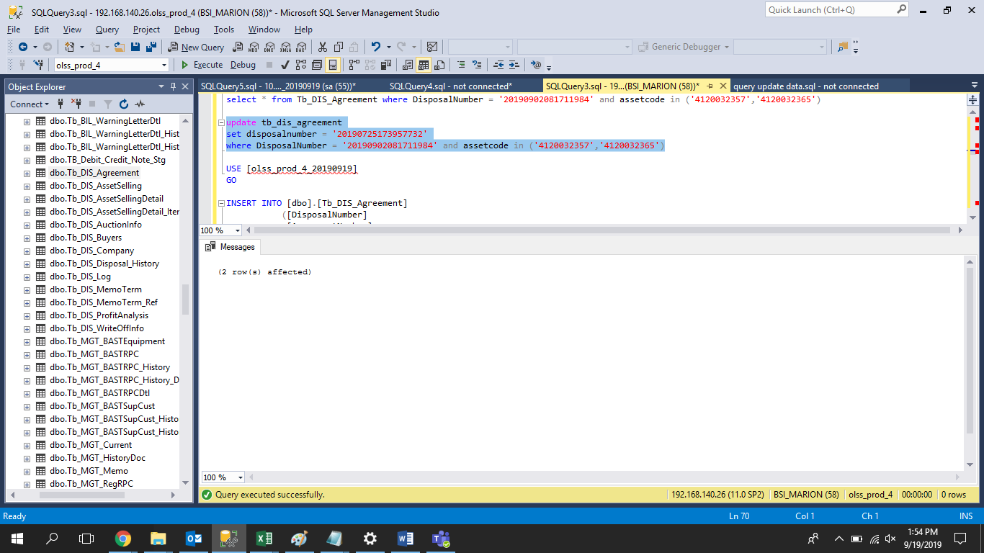
evidence ini adalah untuk masalah payment received tidak bisa submit untuk kedua asset code yang ditambahkan
step 1

update tb_dis_agreement
set disposalnumber = '20190725173957732'
where DisposalNumber = '20190902081711984' and assetcode in ('4120032357','4120032365')

step 2
USE [olss_prod_4_20190919]
GO

INSERT INTO [dbo].[Tb_DIS_Agreement]
([DisposalNumber]
,[AgreementNumber]
,[AssetCode]
,[EngineNumber]
,[Depreciation]
,[BookValue]
,[Impairement]
,[ProductPrice]
,[Registration]
,[Maintenance]
,[Replacement]
,[InsuranceCost]
,[MediatorFee]
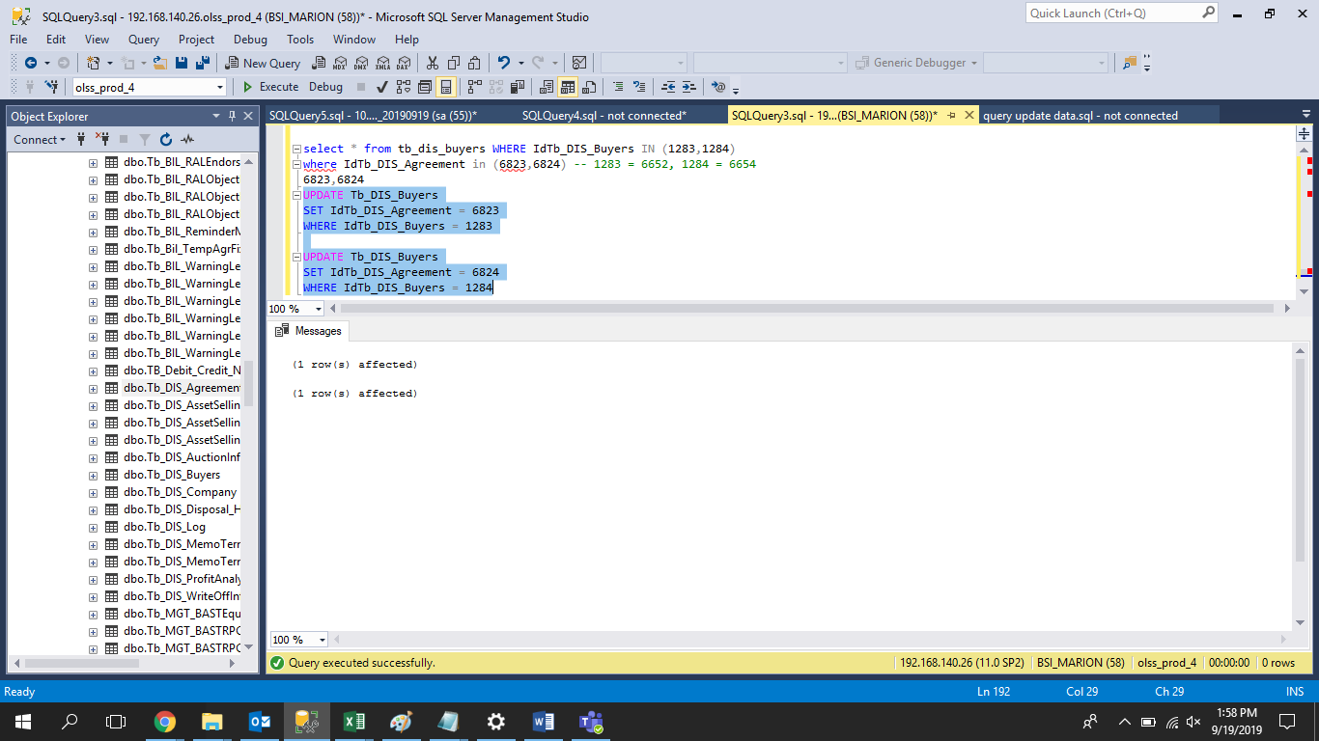
,[Mobilization]
,[Demobilization]
,[InterestCost]
,[TermOfPaymentCost]
,[InterestCostBeforeBAST]
,[Remarks]
,[CreatedDate]
,[CreatedBy]
,[SyncDate]
,[DeletedDate]
,[DeletedBy]
,[DeletedReason]
,[Payment]
,[PaymentDate]
,[BPKBReleased]
,[BPKBReleasedDate]
,[AssetReleased]
,[AssetReleasedDate]
,[Invalid]
,[InvalidReason]
,[DepreciationDate])
VALUES
('20190902081711984'
,'0000076/4/10/06/2015'
,'4120032357'
,'4D34TL32114'
,'203649194'
,'92350806'
,'0'
,'296000000'
,'0'
,'0'
,'0'
,'0'
,'0'
,'0'
,'0'
,'0'
,'0'
,'0'
,NULL
,'2019-09-02 08:17:11.000'
,'FEDRIK'
,'2019-09-02 08:22:16.297'
,NULL
 | ,NULL
 | ,NULL
 | ,'0'
 | ,NULL
,0
,NULL
,0
,NULL
,0
,''
,'2019-06-30 00:00:00.000'),
 | ('20190902081711984'
,'0000087/4/10/06/2015'
,'4120032365'
,'4D34TKY1337'
,'192597656.00'
,'92402344.00'
,'0'
,'285000000.00'
,'0'
,'0'
,'0'
,'0'
,'0'
,'0'
,'0'
,'0'
,'0'
,'0'
,NULL
,'2019-09-02 08:17:11.000'
,'FEDRIK'
,'2019-09-02 08:22:16.297'
,NULL
 | ,NULL
 | ,NULL
 | ,'0'
 | ,NULL
,0
,NULL
,0
,NULL
,0
,''
,'2019-06-04 00:00:00.000')
GO

step 3

UPDATE Tb_DIS_Buyers
SET IdTb_DIS_Agreement = 6823
WHERE IdTb_DIS_Buyers = 1283

UPDATE Tb_DIS_Buyers
SET IdTb_DIS_Agreement = 6824
WHERE IdTb_DIS_Buyers = 1284

Screenshot
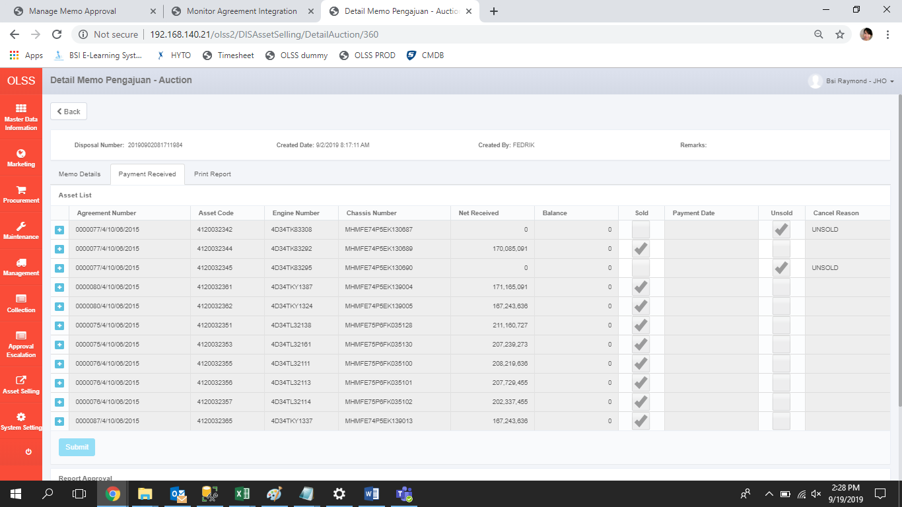
BEFORE
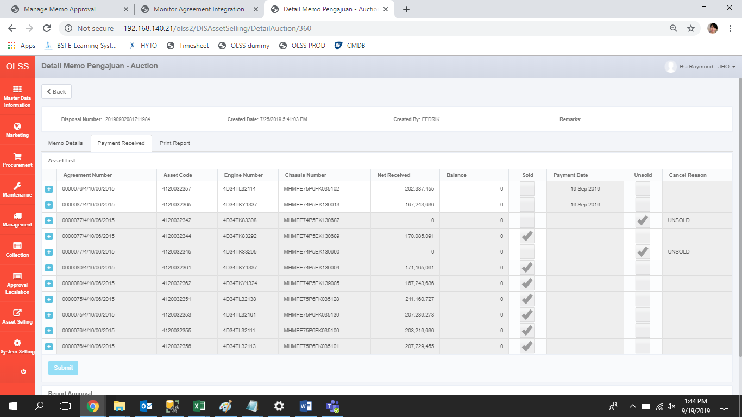

AFTER

